Aff Ref
Area Available Afforestation and Reforestation
Source: Strappason et al 2016, Figure 7

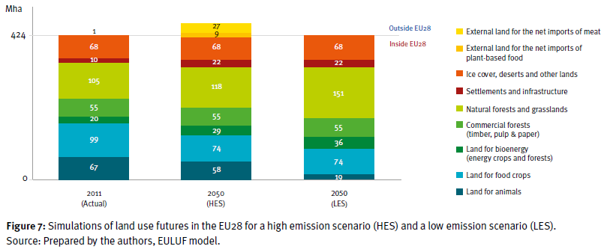

Forested land uses (million hectares)
 | 2011 Actual | 2050 Low emission scenario
Natural forests and grasslands | 105 | 151
Commercial forests | 55 | 55
Land for bioenergy | 20 | 36
Total | 180 | 242

Afforestation/Reforestation Potential
62 | million hectares
1.53E+08 | acres

Total EU28 land area is roughly
4.24E+02 | million hectares, which is also equal to
1.05E+09 | acres, so this represents converting
14.6% | of EU28 land area
into forest (on top of forest lands existing in 2011).

Acres Available Annually for Conversion
This depends on the speed with which it would be possible to conduct
tree planting operations on the available acres. In practice, this may depend
as much on financial and legal hurdles as on technical challenges, such as
workforce or tree availability.

The level of afforestation in the EU has been decreasing over time (source: Eustafor):

Period | # of Years | Afforested Area | Unit | Conversion to Acres | Acres/Year
1994-1999 | 5 | 1 | million ha | 2,471,050 | 494,210
2000-2007 | 7 | 700 | thousand ha | 1,729,735 | 247,105
2007-2013 | 6 | 300 | thousand ha | 741,315 | 123,553
2014-2020 | 6 | 510 | thousand ha | 1,260,236 | 210,039

We assume an average of the afforestation rates.

2.69E+05 | acres able to be afforested or reforested per year
570.11 | years to afforest/reforest

Set Asides
Annual Harvested Area
Source: Ceccherini et al 2020, Figure 3a
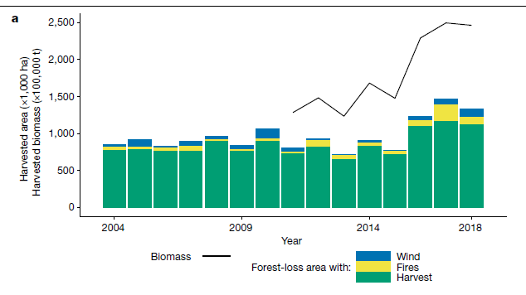

 |  | Estimated pixel measurements:
 |  | Year | Y-axis (thousand ha) | Pixels
 |  | n/a | 2500 | 188
 |  | 2016 | 1090 | 82
 |  | 2017 | 1157 | 87
 |  | 2018 | 1117 | 84

Area Cut/Harvested per Year
1117 | thousand hectares
2760215 | acres

How many of these acres are available annually for set-asides?
This depends on the speed with which timber harvesting could be scaled
down, given the need to find replacement materials for forest products.
It also is likely not desirable to completely cease timber harvesting,
as wood is a renewable resource and may be better than fabricating
certain replacement materials. Lacking good data on this,
we will assume that timber harvesting could be reduced from its
present scale by 2% of its current level per year. The model run
period (2016-2050) is 35 years long, so if the policy were to
be implemented in full strength throughout the entire model run,
there would be a total 70% reduction in timber harvesting per year
by the end.

2% | potential reduction in timber harvesting achievable per year

55204 | acres potentially available for forest set-asides per year

Avoided Def
Forest Europe State of Europe's Forests 2020 Report (p. 34):
In the EU, forest area in each region and total area have been increasing.
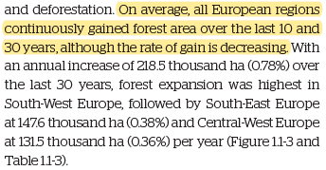

When logging occurs but does not change the land type from forest to non-forest,
this does not count as deforestation for purposes of this model.

We assume that logging in the EU generally occurs on land that remains forest afterward,
and as such, reduction of this timber harvesting is governed by the "Forest Set-Asides"
policy lever, not the "Avoid Deforestation" policy lever.

Accordingly, we assume zero potential for CO2 abatement from avoiding
deforestation in the EU.

Potential Annual Avoided Deforestation
0 | acres

See the "Set Asides" tab for calculations pertaining to potential
reduction in timber harvesting in the EU.

